Conf_User
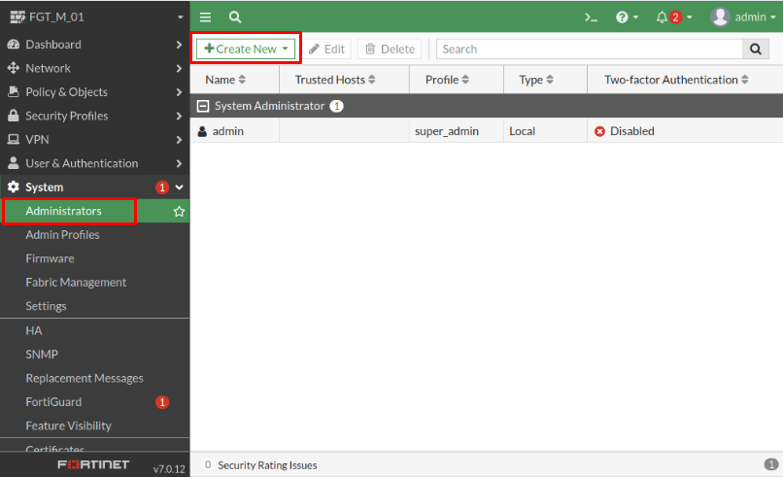
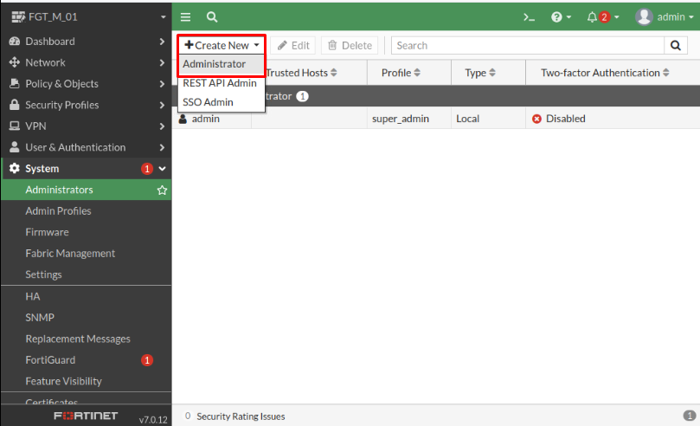
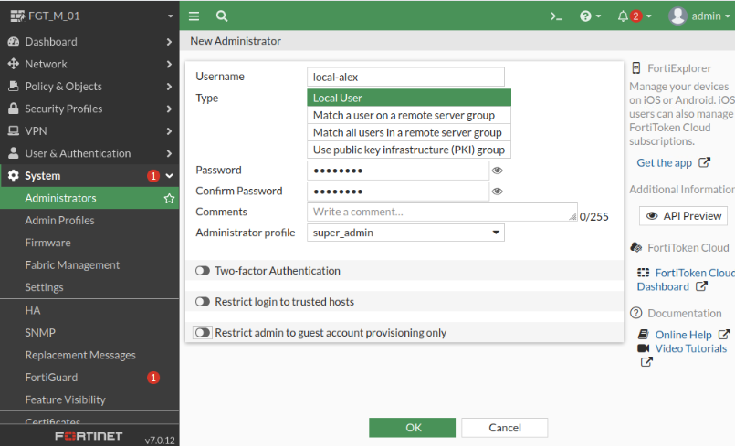
Usuário local

CLI

FGT_M_01 # show system admin config system admin edit "admin" set accprofile "super_admin" set vdom "root" set password ENC SH2rAhUa8vq9flEhhwtdoEF+nr3MRY/Sx2t0VJ9wNaZNaLwzQqVwentg8NNT0g= next edit "local-alex" set accprofile "super_admin" set vdom "root" set password ENC SH2jhCpb0vPytMp+7usmladKp9NAa8Mx5nuvu4NGFhMU6nc/vXNTKRtlfHK0VQ= next end

GUI

Sniffer
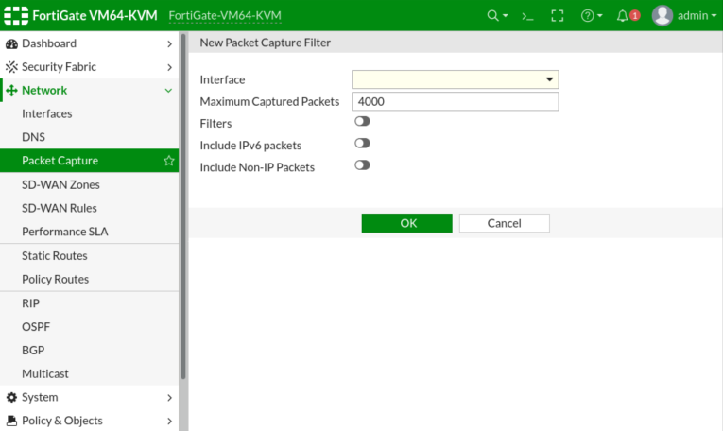
Verbose levels in detail:

1: print header of packets 2: print header and data from IP of packets 3: print header and data from Ethernet of packets 4: print header of packets with interface name 5: print header and data from IP of packets with interface name 6: print header and data from Ethernet of packets with interface name

diag sniffer packet <interface> <'filter'> <verbose> <count> a

<interface> can be an interface name or "any" for all interfaces <'filter'> is a very powerful filter functionality which will be described in more detail <verbose> means the level of verbosity as described already <count> the number of packets the sniffer reads before stopping. a – timestamps the packets with the absolute UTC time l - (small letter L) timestamps the packets with LOCAL time on the unit (blank/no letter) – relative to the beginning of the capture Note: for parallel captures on multiple interfaces/SSH sessions on Fortigate, please use “a” or “l”, do not leave blank

Filter

[[src|dst] host {<host1_fqdn> | <host1_ipv4>}] [and|or] [[src|dst] host {<host2_fqdn> | <host2_ipv4>}] [and|or] [[arp|ip|gre|esp|udp|tcp] port <port1_int>] [and|or] [[arp|ip|gre|esp|udp|tcp] port <port2_int>]'

src --> source and dst --> destination host or net --> network tcp udp IP.port icmp () --> list port not

Ex.

Ex. The filter 'tcp[13]&2==2' matches packets with the SYN flag on, so the output will show all SYN packets to port 80 (HTTP). 'tcp[13]&2==2' -------------------------------- Filters can also be used to display packets based on their content, using hexadecimal byte position. Match TTL = 1 diagnose sniffer packet any "ip[8:1] = 0x01" Match Source IP address = 192.168.1.2: diagnose sniffer packet wan1 "(ether[26:4]=0xc0a80102)" Match Source MAC = 00:09:0f:89:10:ea diagnose sniffer packet any "(ether[6:4]=0x00090f89) and (ether[10:2]=0x10ea)" Match Destination MAC = 00:09:0f:89:10:ea diagnose sniffer packet any "(ether[0:4]=0x00090f89) and (ether[4:2]=0x10ea)" Match ARP packets only diagnose sniffer packet wan1 "ether proto 0x0806" TCP or UDP flags can be addressed using the following: Match packets with RST flag set: diagnose sniffer packet wan1 "tcp[13] & 4 != 0" Match packets with SYN flag set: diagnose sniffer packet wan1 "tcp[13] & 2 != 0" Match packets with SYN-ACK flag set: # diagnose sniffer packet wan1 "tcp[13] = 18" Match HA heartbeat packets only # diagnose sniffer packet ha1 "ether proto 0x8890" more types: https://kb.fortinet.com/kb/documentLink.do?externalID=FD41407

Outros >> sniffer net arp ip esp udp ether tcp none time a i operador logico pg 156 diagose sniffer packet any 'ip[8]>200' 8 TTL flag tcp pg 158 smtp 3.2.11 119

GUI

Network --> Packet Capture --> Create New

VDOM
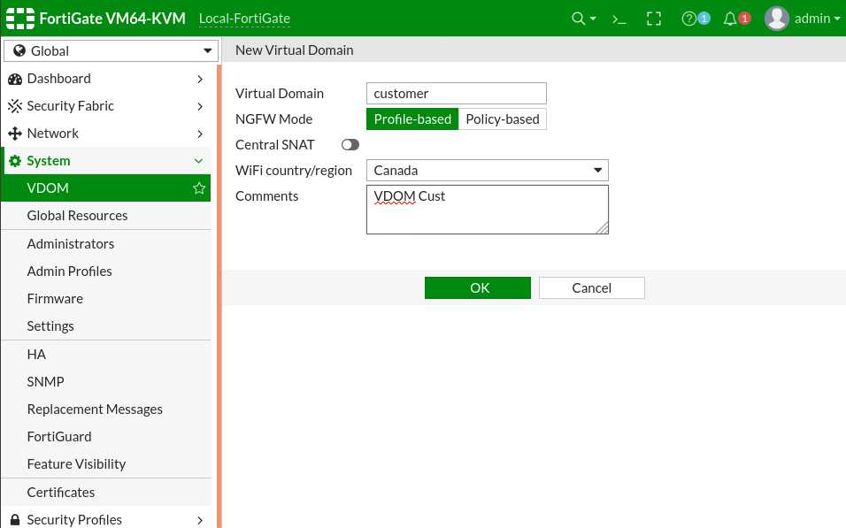

vdom config system global set vdom-mode multi-vdom system > VDOM config vdom edit <name_Vdom> config global sudo <vadom> --> só show

LDAP
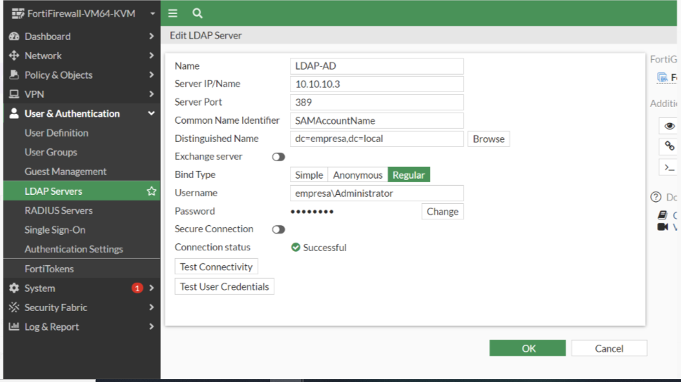

LDAP Common name identifier MS sAMAccountName OpenLDAP uid diagnose test authserver ldap <server> <user> <password> teste de autenticação diagnose debug application fnbamd -1

VPN-IPSec
IPSEC Wizard

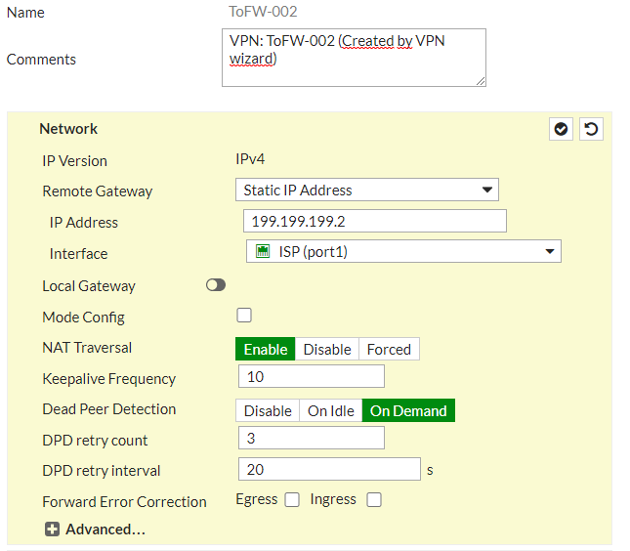

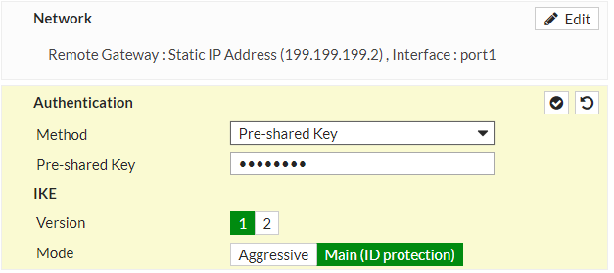

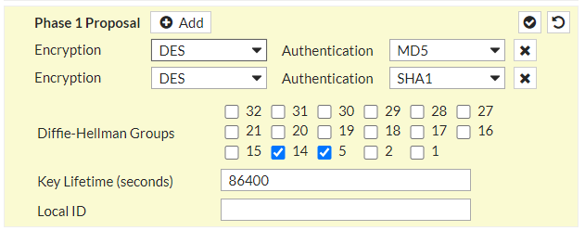

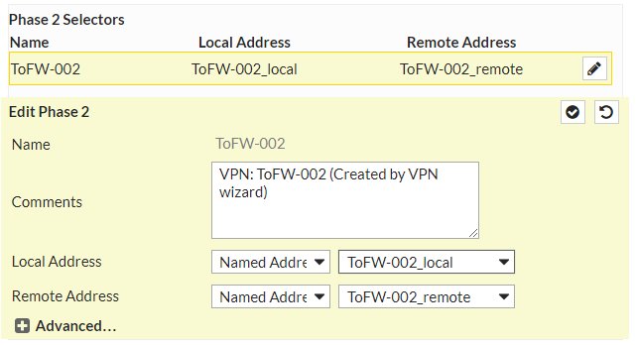

10.0.1.0/24 à Local 10.0.2.0/24 à Remoto

Firewall Policy
LAN à Site Remoto

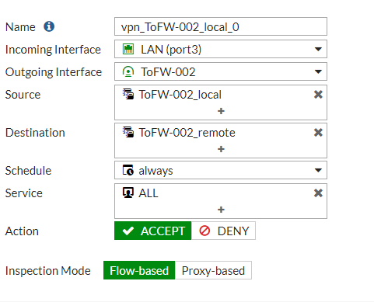

Site Remoto à LAN

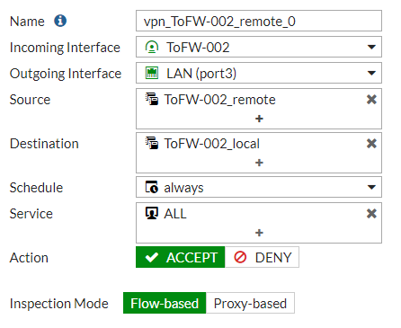

v.SITE-B 1 . a VPN IPsec 2 . Rotas estaticas 3 . Policy config vpn ipsec phase1-inteface config vpn ipsec phase2-inteface config sys sdwan config members edit <N> set source <IP> execute ping-option reset

BKP_Automático
Security Fabric

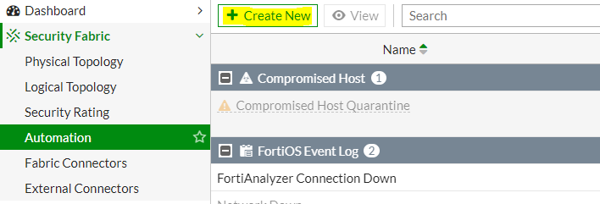

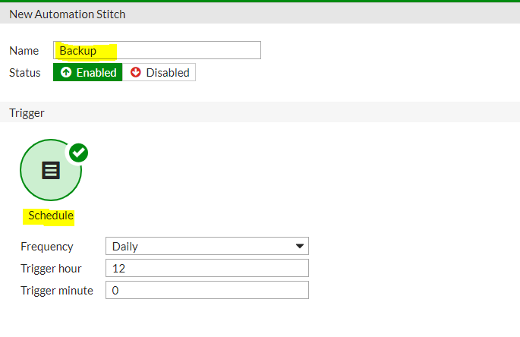

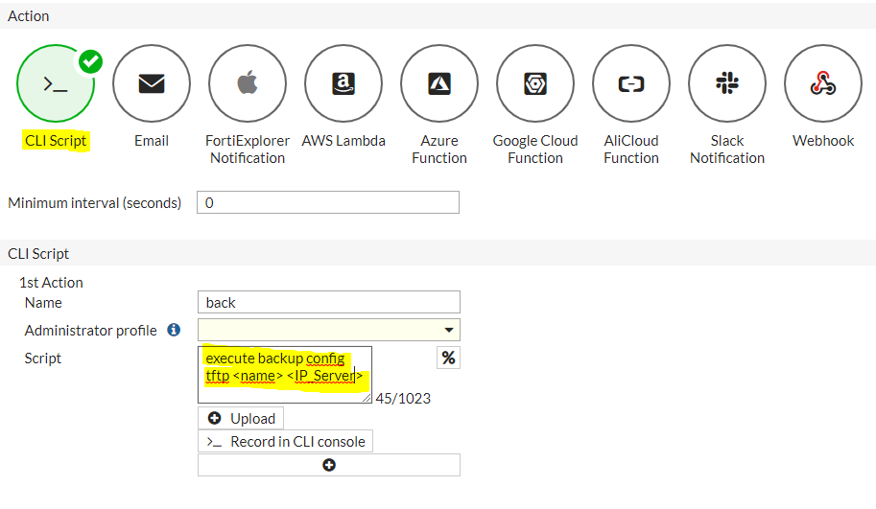

https://indeni.com/blog/fortinet-fortigate-automation/

Confi_proute
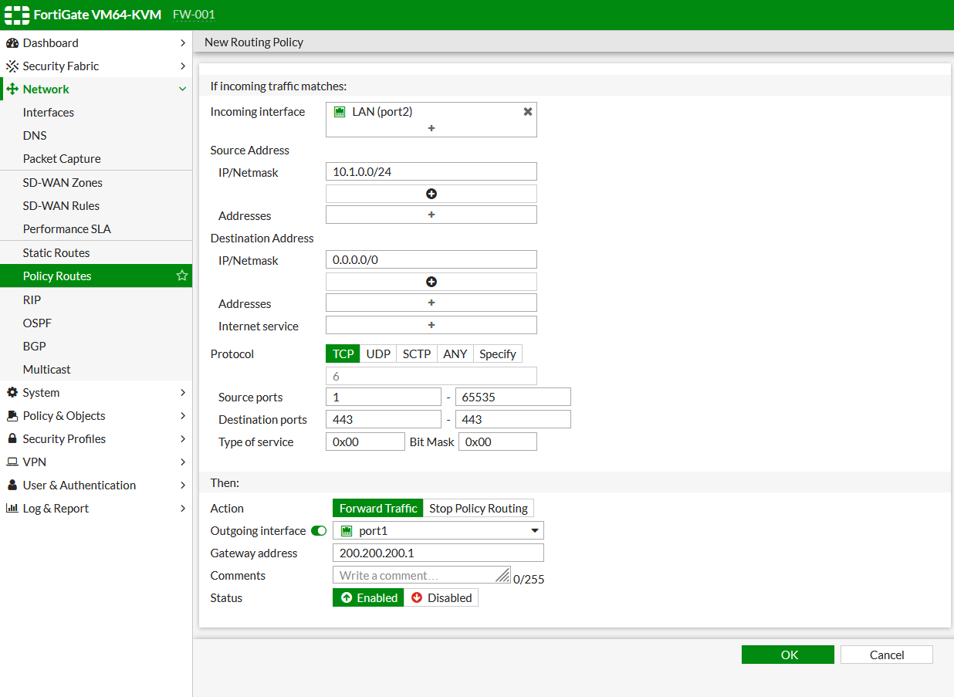
diagnose ip proute match 104.18.21.226 200.200.200.2 port1 6 80

Conf_SD-WAN
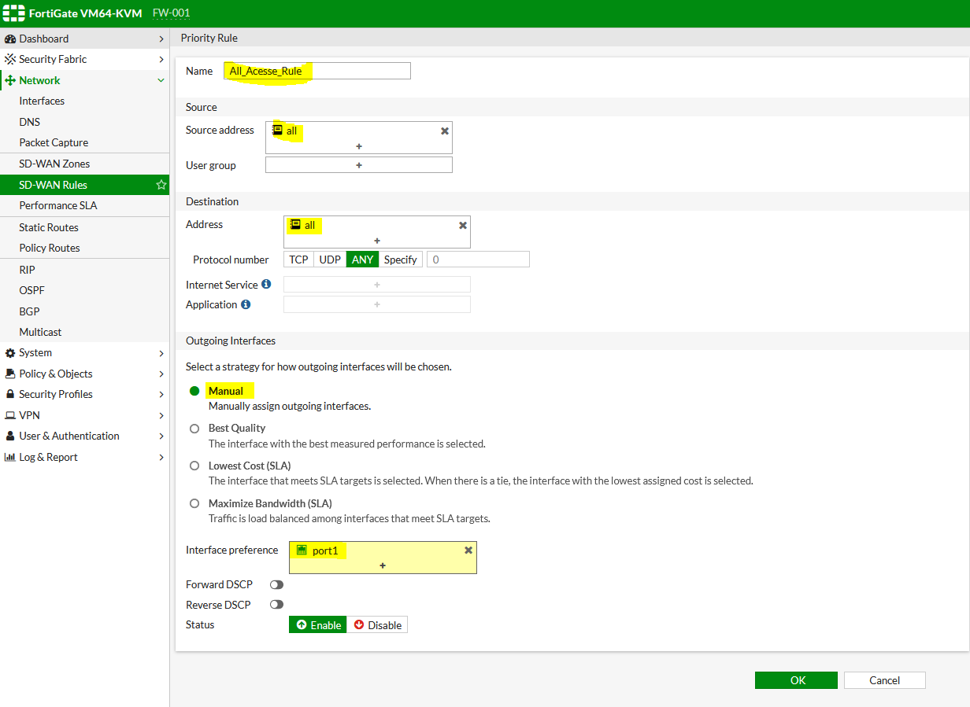
Criar Zone

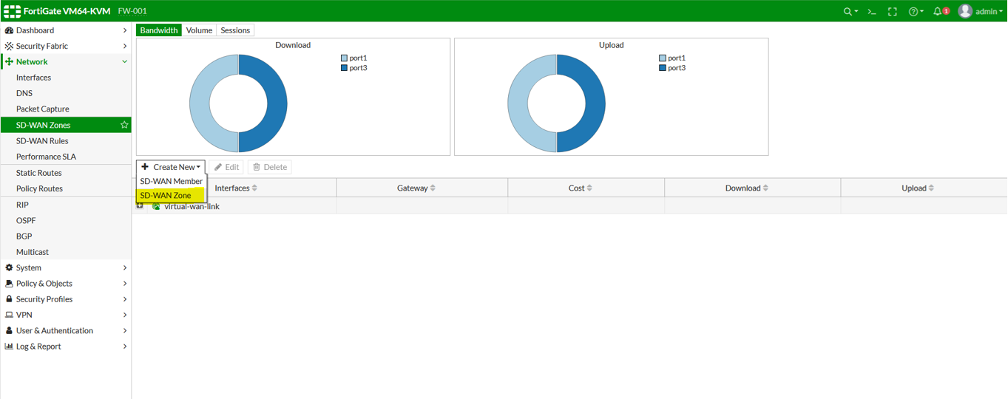

Na criação de Zone podemos adicionar os membros

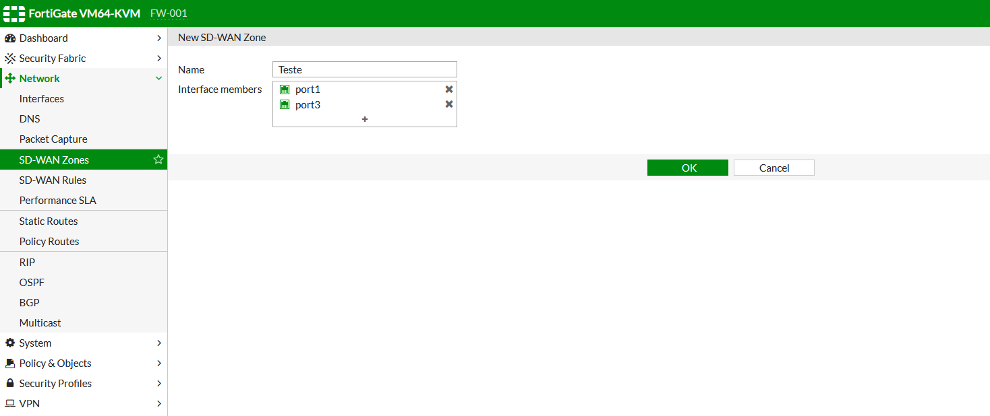

Criar o membro

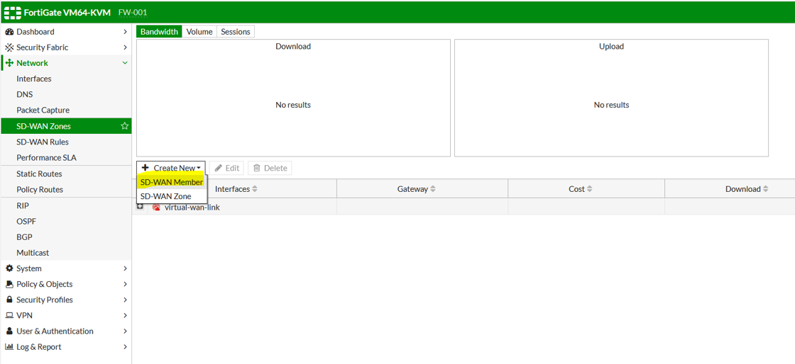

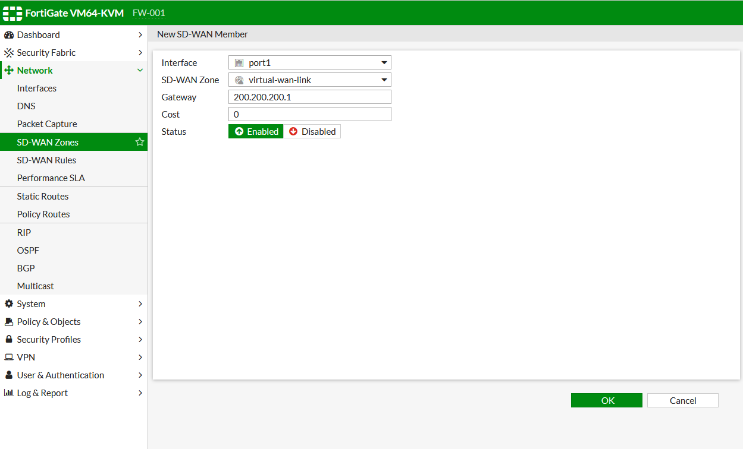

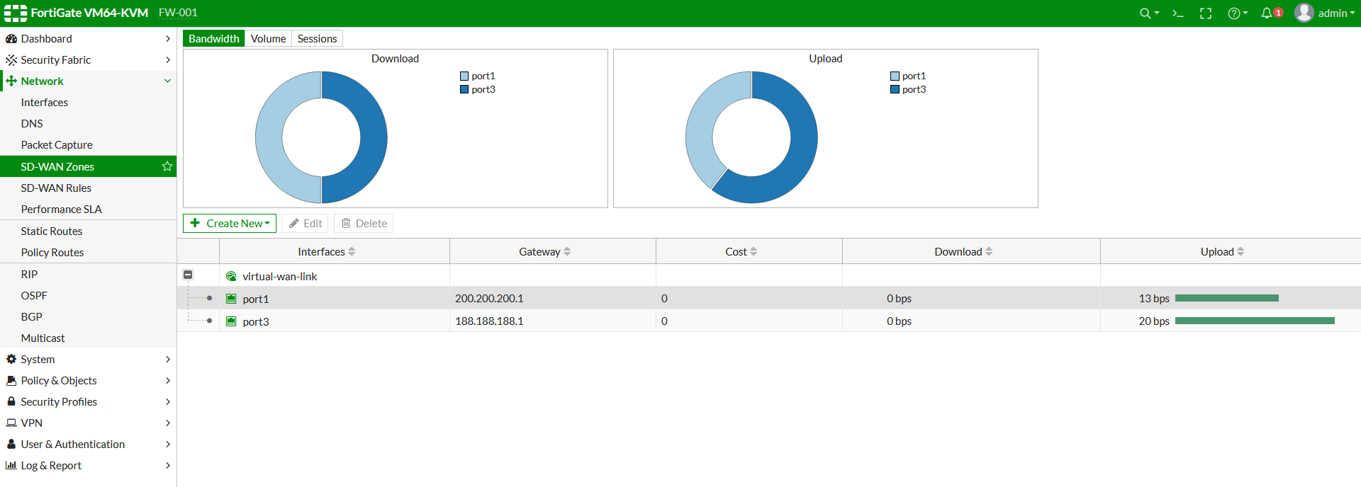

Criar rota

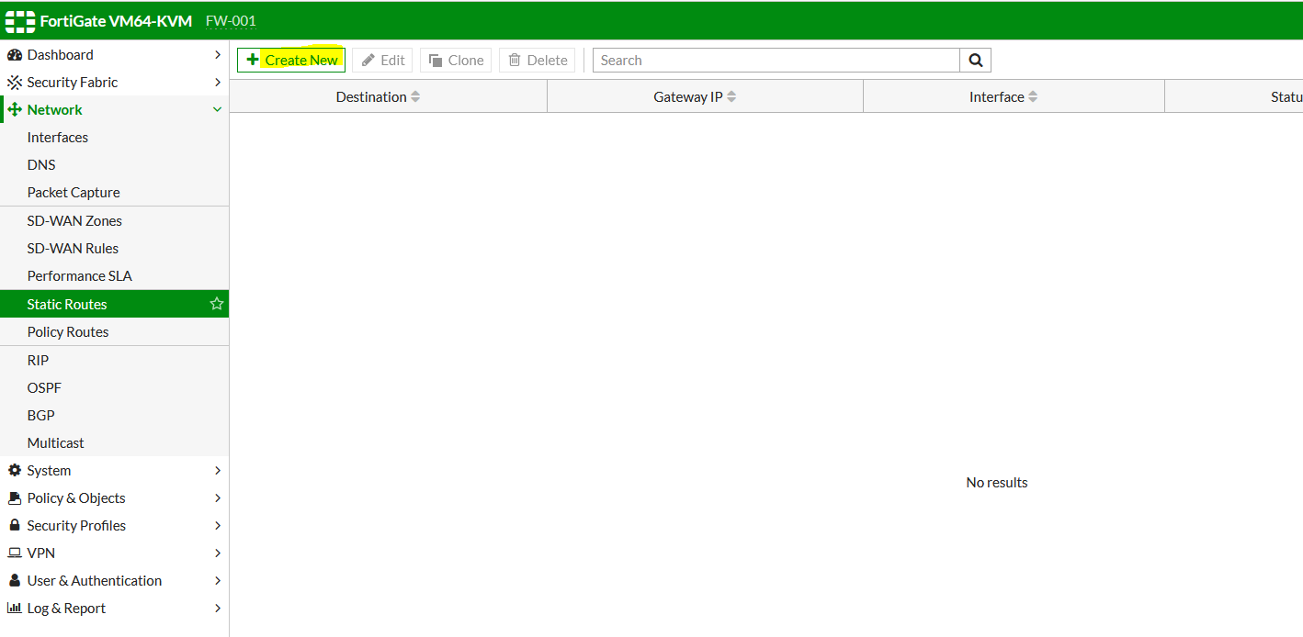

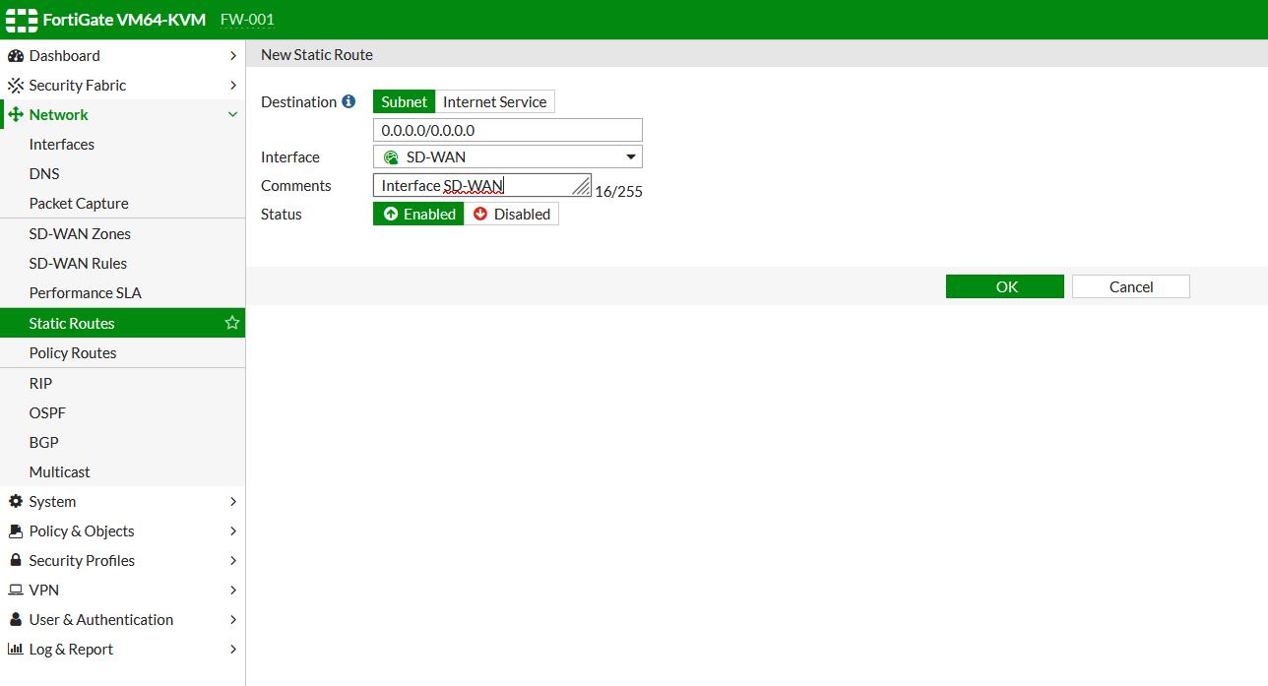

Criar a Firewall Policy

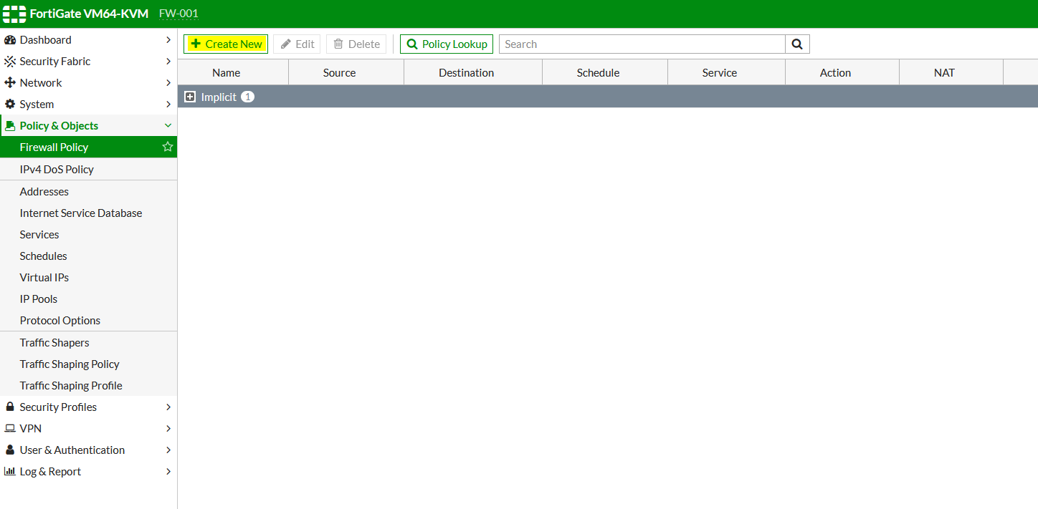

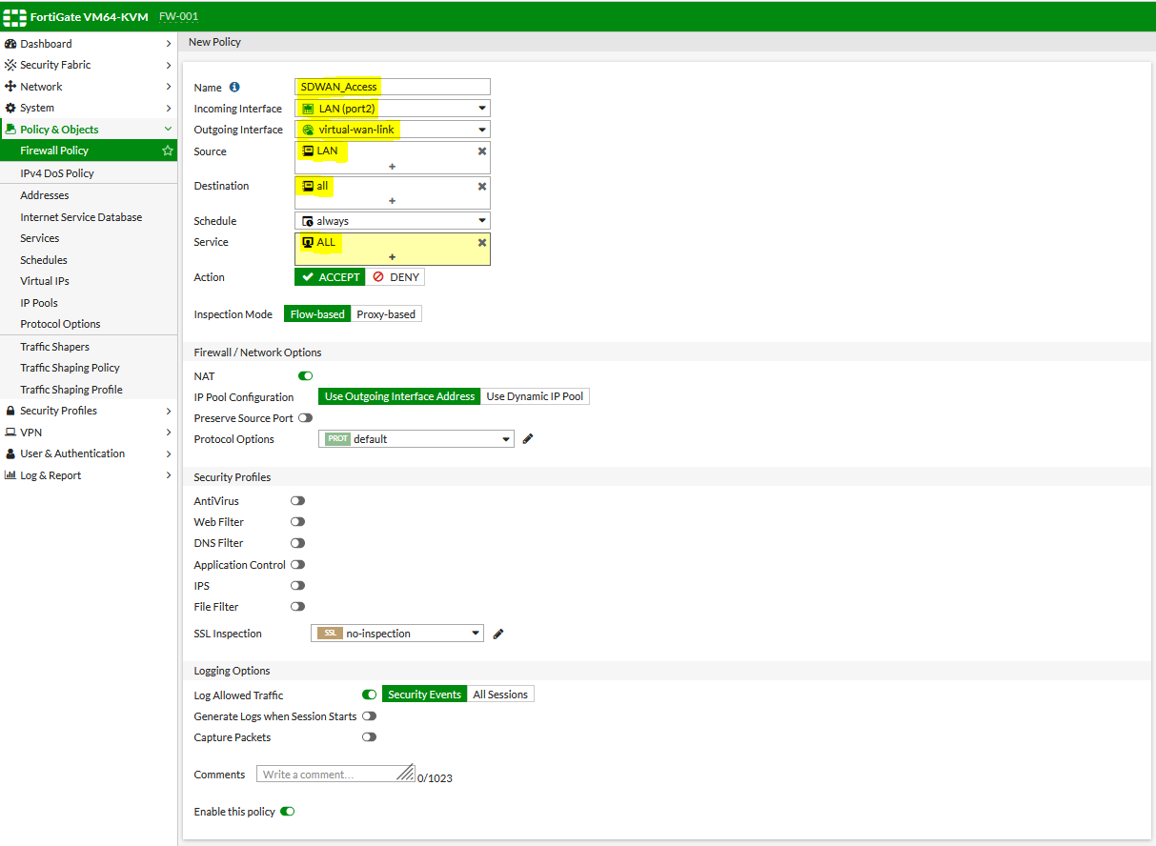

Criar SD-WAN Rules

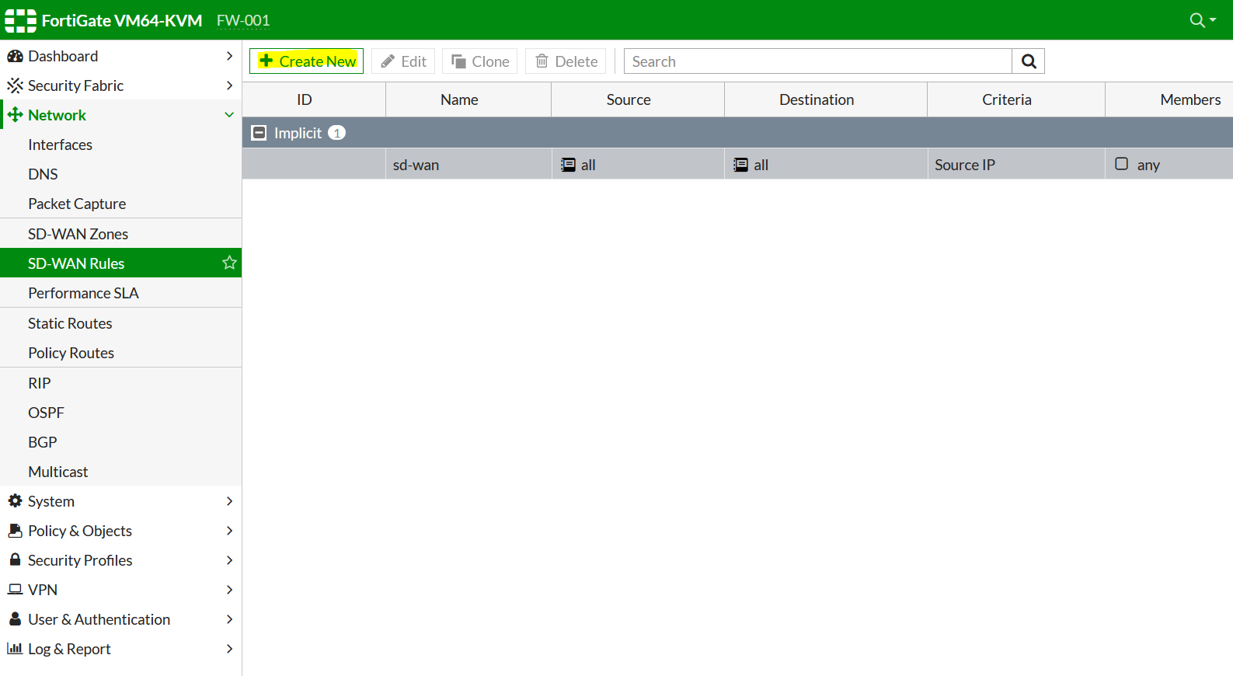

Determinar o trafego para o ICMP Google para a port3

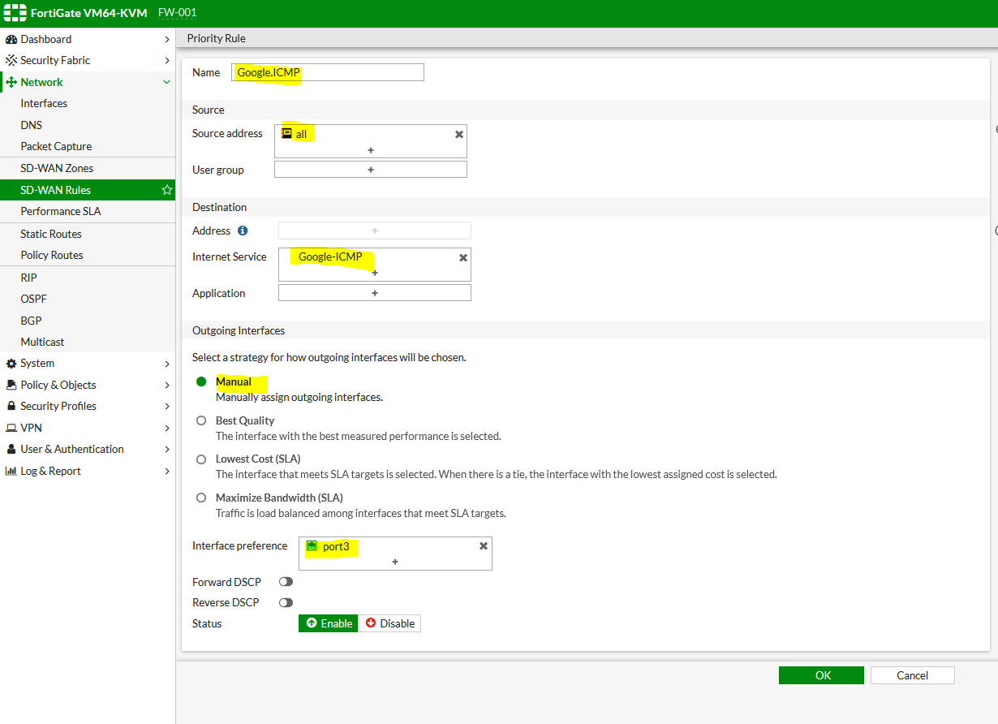

Rule para o restante do trafego

